1. Title Page
[Grocery Basket Analysis]

Project Name: Instacart Grocery Basket Analysis
Date: 3/8/2023
Analyst Name: Jamie Persson

Contents:
Population Flow
Consistency checks
Wrangling steps
Column derivations
Visualizations
Recommendations

Data Sets and Citation:
Orders and Products csv Files
Orders_products_prior
Departments
Customers Data Set
Data Dictionary
Citation: “The Instacart Online Grocery Shopping Dataset 2017”, Accessed from https://www.instacart.com/datasets/grocery-shopping-2017 on 2/8/2023.

2. Population Flow
Title page

Population flow

Exclusion flag
Condition: max_order < 5
Obervations to be removed: 1440295
Final total count of order_products_all: 30964564

Orders_products_combined
Orders_products_merged
Orders_products_all

Total: 32404859
Total: 32434489
Total: 30964564

3. Consistency checks
 |  |  |  |  | Title page
Consistency checks

Dataset | Missing values | Missing values treatment | Duplicates | Other
orders | 206209: 'days_since_prior_order' column | Verified that 'NaN' values indicate new customer using 'days_since_prior_order' and 'order_number' crosstab. Left 'NaN' values in place. | None
products | 16: 'product_name' column | Created new dataframe with missing values filtered out. | 5 duplicates dropped | Two outliers detected in 'prices' column: 99999 for 2% Reduced Fat Milk, and 14900 for Lowfat 2% Milkfat Cottage Cheese. The prices were changed to 9.99990 and 1.49000 respectively.
customers | 11259: 'First Name' column | Column eliminated in wrangling steps to address PII issues. | None

4. Wrangling steps
 |  |  |  |  | Title page
Wrangling steps

Data Set | Columns dropped | Columns renamed | Columns' type changed | Comment/Reason
Orders | eval_set |  |  | Irrelevant to analysis
 |  | order_dow |  | orders_day_of_week more intuitive
 |  |  | order_id to string | Identifier, not numerical data
Departments |  |  |  | Transposed dataframe to create data dictionary
Customers |  | Surnam |  | Last Name more consistent, intuitive, and spelled correctly
 |  | n_dependants |  | number_of_dependants more descriptive
 | First Name |  |  | Address PII issues
 | Last Name |  |  | Address PII issues

5. Column derivations
 |  |  |  |  | Title page

Column derivations and aggregations

Dataset | New column | Column(s) it was derived from | Conditions | Frequency
ords_prods_merged | price_range_loc | prices | prices > 15 = High-range product prices <= 15 & prices > 5 = Mid-range product prices <= 5 = Low-range product | Mid-range product: 21861558 Low-range product: 10130750 High-range product: 412551
 | busiest_days_2 | orders_day_of_week | orders_day_of_week = 0 or 1: Busiest Days orders_day_of _week = 4 or 3: Slowest Days orders_day_of_week = 2, 5, or 6: Regularly Busy | Regularly Busy: 12916111 Busiest Days: 11864412 Slowest Days: 7624336
 | busiest_period_of_day | order_hour_of _day | value >= 9 and value <= 16: Most Orders value >= 0 and value <= 6 or value = 23: Fewest Orders else: Average Orders | Most Orders: 21118071 Average Orders: 9997651 Fewest Orders: 1289137
 | loyalty_flag | user_id, order_number, max_order | max_order > 40: Loyal Customer max_order <=40 & >10: Regular Customer max_order <=10: New Customer | Regular Customer: 15876776 Loyal Customer: 10284093 New Customer: 6243990
 | spending_flag | user_id, prices, user_prices_mean | user_prices_mean < 10: Low Spender user_prices_mean >= 10: High Spender | Low Spender: 32285165 High Spender: 119694
 | frequency_flag | user_id, days_since_prior_order, days_since_prior_order_median | days_since_prior_order_median > 20: Non-frequent Customer days_since_prior_order_median > 10 & <= 20: Regular Customer days_since_prior_order_median <=10 Frequent Customer | Frequent Customer: 21559853 Regular Customer: 7208564 Non-frequent Customer: 3636437
ords_prods_cust | region | STATE | STATE is in Region 1: Northeast STATE is in Region 2: Midwest STATE is in Region 3: South STATE is in Region 4: West | South: 10791885 West: 8292913 Midwest: 7597325 Northeast: 5722736
 | exclusion_flag | max_order | max_order >= 5: High_Activity max_order < 5: Low_Activity | High_Activity: 30964564 Low_Activity: 1440295
high_activity | age_group | age | Age >= 18 & <= 35: Young_Adult Age >= 36 & <=55: Middle_Age_Adult Age > 55: Older_Adult | Older_Adult: 12508298 Middle_Age_Adult: 9717461 Young_Adult: 8738805
 | income_range | income | income < 50000: Low_Income income >= 50000 & <= 150000: Mid_Income Income > 150000: High_Income | Mid_Income: 23707476 High_Income: 3894534 Low_Income: 3362554
 | child_status | number_of_dependants | number_of_dependants = 0: No number_of_dependants > 0: Yes | Yes: 23224883 No: 7739681
 | profile | age_group, income_range, child_status | Profile Abbreviations: YA: Young Adult (18-35) MA: Middle Age Adult (36-55) OA: Older Adult: 55+ LI: Low Income (< 50000) MI: Mid Income (50000-150000) HI: High Income: (150000+) C: Children NC: No Children | OA_MI_C: 6827744 MA_MI_C: 5492999 YA_MI_C: 5490445 OA_MI_NC: 2281440 MA_MI_NC: 1812716 YA_MI_NC: 1802132 OA_HI_C: 1769730 MA_HI_C: 1066765 YA_LI_C: 1009104 OA_LI_C: 765575 MA_LI_C: 740955 OA_HI_NC: 611989 MA_HI_NC: 364079 YA_LI_NC: 355153 OA_LI_NC: 251820 MA_LI_NC: 239947 YA_HI_C: 61566 YA_HI_NC: 20405

6. Visualizations
Title page

Visualizations

Key Question: The sales team needs to know what the busiest days of the week and hours of the day are (i.e., the days and times with the most orders) in order to schedule ads at times when there are fewer orders.

Busiest Ordering Hours
Busiest Ordering Days
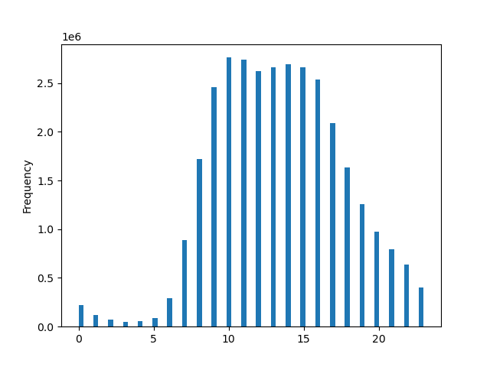


Frequency

Hour of Day
Day of Week

The highest frequency of sales occurs between 10 and 15 (10:00am-3:00pm), while the lowest frequency of sales occurs between 0 and 6 (12:00am-6:00am).
Saturday and Sunday (0, 1) are the busiest ordering days. Tuesday and Wednesday (3, 4) are the slowest ordering days.

Key Question: They also want to know whether there are particular times of the day when people spend the most money, as this might inform the type of products they advertise at these times.

Expenditure by Day of Week
Expenditure by Hour of Day

 | prices
0 | 1625063.24
1 | 855679.44
2 | 512580.26
3 | 382004.78
4 | 398038.1
5 | 661010.93
6 | 2197252.17
7 | 6750966.43
8 | 12923237.06
9 | 18321118.06
10 | 20528912.13
11 | 20316356.7
12 | 19440476.93
13 | 19786620.17
14 | 20034151.44
15 | 19792452.06
16 | 18829811.63
17 | 15474871.28
18 | 12112022.5
19 | 9304671.53
20 | 7260742.33
21 | 5956121.98
22 | 4744890.47
23 | 2998009.71
 | prices
0 | 46424894.79
1 | 41978725.08
2 | 31206173.76
3 | 28462069.04
4 | 28114235.5
5 | 31303849.17
6 | 33717113.99

Highest expenditure occurs between 10 and 15 (10:00am-3:00pm), and lowest expenditure occurs between 0 and 6 (12:00am-6:00am). These findings are consistent with the "Busiest Ordering Hours" histogram above.
Highest expenditure occurs on Saturday (0) and Sunday (1). Lowest expenditure occurs on Wednesday (4) and Tuesday (3). These findings are consistent with the "Busiest Ordering Days" bar chart above.

Key Question: Instacart has a lot of products with different price tags. Marketing and sales want to use simpler price range groupings to help direct their efforts.
Key Question: Are there certain types of products that are more popular than others? The marketing and sales teams want to know which departments have the highest frequency of product orders.

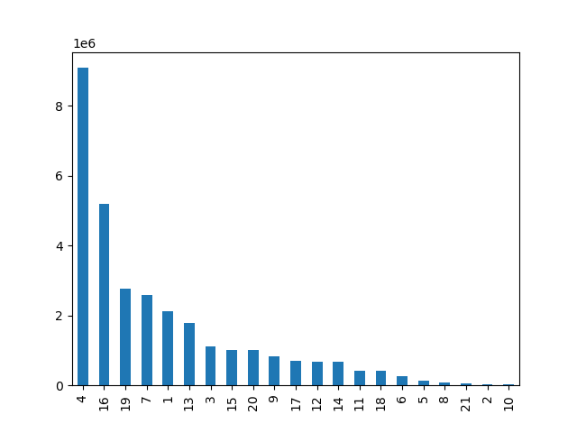
Product Price Range by Department
Product Frequency by Department

 | High-range product | Low-range product | Mid-range product
1. Frozen | 0 | 647617 | 1474114
2. Other | 0 | 15259 | 19152
3. Bakery | 0 | 274986 | 845842
4. Produce | 0 | 2585708 | 6493565
5. Alcohol | 0 | 33046 | 111581
6. International | 0 | 73203 | 182788
7. Beverages | 0 | 814697 | 1757204
8. Pets | 0 | 28165 | 64895
9. Dry Goods Pasta | 0 | 284346 | 537790
10. Bulk | 0 | 1181 | 32270
11. Personal Care | 0 | 123874 | 300432
12. Meat/Seafood | 392855 | 0 | 281926
13. Pantry | 221 | 504521 | 1277963
14. Breakfast | 0 | 209185 | 461665
15. Canned Goods | 0 | 281711 | 730363
16. Dairy/Eggs | 0 | 1375131 | 3802051
17. Household | 0 | 245070 | 454787
18. Babies | 0 | 121484 | 288908
19. Snacks | 0 | 1742143 | 1024263
20. Deli | 0 | 299220 | 704614
21. Missing | 0 | 18516 | 46252

Product Frequency

Price Ranges:
High-range: > 15
Mid-range: <= 15 & > 5
Low-range: <= 5
Meat/Seafood and Pantry are the only departments with High-range products.
1% of products are High-range
31% of products are Low-range
68% of products are Mid-range
Department ID
Department 4 (Produce) and Department 16 (Dairy/Eggs) have the highest frequency of product orders. Department 10 (Bulk) has the lowest.

Key Question: What is the distribution among users in regards to their brand loyalty?
Key Question: Are there differences in ordering habits based on a customer’s loyalty status?

Brand Loyalty Distribution
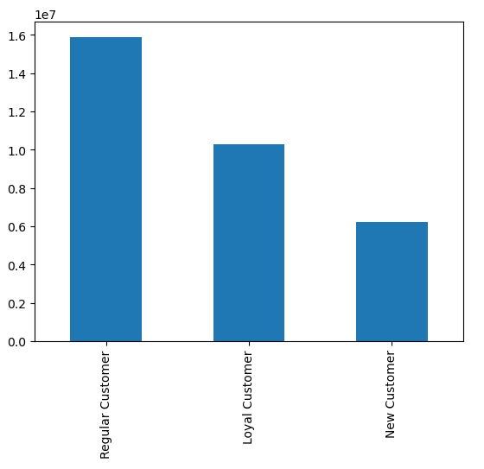
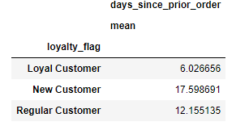

Customer Frequency

Loyal Customers order every 6 days on average, while Regular Customers order every 12 days on average.

Distribution:
Regular Customers: 51.3%
Loyal Customers: 33.2%
New Customers: 15.5%

(10 or fewer orders)
(11-40 orders)
(> 40 orders)

Key Question: Are there differences in ordering habits based on a customer’s region?

Orders Day of Week Distribution by Region
 | Midwest | Northeast | South | West
0 | 0.19144619035 | 0.19098959958 | 0.18963491812 | 0.19166487853
1 | 0.1740208962 | 0.17463623246 | 0.17537810323 | 0.17475858834
2 | 0.13046454644 | 0.13050322205 | 0.12999407728 | 0.12914856607
3 | 0.11778757402 | 0.11881837654 | 0.11919168193 | 0.11806297461
4 | 0.11726220142 | 0.11670956331 | 0.11691210835 | 0.1173443122
5 | 0.12991727757 | 0.13104652876 | 0.13023284818 | 0.13010299819
6 | 0.13910131401 | 0.13729647729 | 0.1386562629 | 0.13891768206
Profile Distribution by Region
 | Midwest | Northeast | South | West
MA_HI_C | 0.035320738254 | 0.035012265117 | 0.032470709589 | 0.035843807677
MA_HI_NC | 0.012280498568 | 0.010715530721 | 0.011308256052 | 0.012582710196
MA_LI_C | 0.023727699723 | 0.023411413467 | 0.024132736451 | 0.024205690086
MA_LI_NC | 0.0076097088857 | 0.0077962407714 | 0.0083105270911 | 0.0071139630542
MA_MI_C | 0.17989501637 | 0.17640358044 | 0.1773435505 | 0.17586036075
MA_MI_NC | 0.061873882206 | 0.053965416122 | 0.057967504851 | 0.059390629283
OA_HI_C | 0.057637712692 | 0.055835606261 | 0.058226836046 | 0.056221929812
OA_HI_NC | 0.018400435281 | 0.020197321529 | 0.020132790374 | 0.020235323146
OA_LI_C | 0.023555146152 | 0.02565948449 | 0.025040977529 | 0.024738411048
OA_LI_NC | 0.0080528672193 | 0.0081825393412 | 0.0084169168896 | 0.0078010885774
OA_MI_C | 0.21857235538 | 0.22462959896 | 0.2183895494 | 0.22217138477
OA_MI_NC | 0.075113822698 | 0.074281866201 | 0.07212142131 | 0.073975300569
YA_HI_C | 0.0018413517954 | 0.0014961521112 | 0.0022291426776 | 0.0021487967987
YA_HI_NC | 0.0007961150796 | 0.00075393183688 | 0.00076907119572 | 0.00032470370787
YA_LI_C | 0.034109971297 | 0.03014080409 | 0.033572624712 | 0.031603989642
YA_LI_NC | 0.010878586873 | 0.012251575342 | 0.011335702098 | 0.01164631718
YA_MI_C | 0.17431573833 | 0.1795501479 | 0.17819156545 | 0.17737678005
YA_MI_NC | 0.0560183532 | 0.059716525289 | 0.060040117779 | 0.056758813643
Revenue Distribution by Region
 | prices
Midwest | 56578163.23
Northeast | 42518929.67
South | 80360779.23
West | 61749189.2

No meaningful differences were discovered between regions. As these visualizations show, the distribution for orders by day of week and profile distribution is the same for all regions. Comparison between region and department ID produced the same results. There is variation in revenue generated between regions, but the difference is due to the number of states included in each region (population) rather than a difference in spending habits or customer profile.

Key Question: Is there a connection between age and family status in terms of ordering habits?

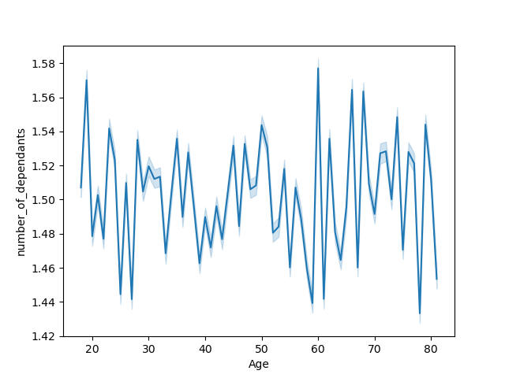
Number of Dependants by Age

There is not a connection between customer age and number of dependants.

Key Question: What different classifications does the demographic information suggest? Age? Income? Certain types of goods? Family status?

18 customer profiles were created according to the following criteria and compared to order frequency, revenue, and types of products ordered:
YA: Young Adult (18-35)
MA: Middle Age Adult (36-55)
OA: Older Adult (55+)
LI: Low Income (< 50000)
MI: Mid Income (50000-150000)
HI: High Income: (150000+)
C: Children (number of dependants > 0)
NC: No Children (number of dependants = 0)

Key Question: What differences can you find in ordering habits of different customer profiles? Consider the price of orders, the frequency of orders, the products customers are ordering, and anything else you can think of.

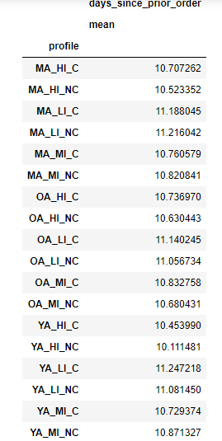
Revenue by Profile
 | prices
OA_MI_C | 53936113.98
YA_MI_C | 43627897.41
MA_MI_C | 43484791.51
OA_MI_NC | 18030207.19
MA_MI_NC | 14344459.08
YA_MI_NC | 14323569.4
OA_HI_C | 14061448.33
MA_HI_C | 8468554.8
YA_LI_C | 6968893.3
OA_LI_C | 4979372.2
MA_LI_C | 4917825.5
OA_HI_NC | 4851317.68
MA_HI_NC | 2888787.35
YA_LI_NC | 2461340.7
OA_LI_NC | 1643238.9
MA_LI_NC | 1583147.4
YA_HI_C | 479334.33
YA_HI_NC | 156762.27

Profiles that generate the highest revenue:
OA_MI_C: Older Adult, Mid-Income, Children
YA_MI_C: Young Adult, Mid-Income, Children
MA_MI_C: Middle Age Adult, Mid-Income, Children
Profiles that generate the lowest revenue:
YA_HI_C: Young Adult, High Income, Children
YA_HI_NC: Young Adult, High Income, No Children
There is not a significant difference among profiles for ordering frequency.

Order Index by Department and Profile

*Alcohol orders for YA_HI_C and YA_HI_NC are six times the index. Bulk orders for the same profiles are almost 0.
*Meat/Seafood orders under index for all low-income profiles.
*Orders for Snacks are almost two times the index for all low-income profiles.
*Low-income groups with children buy more Bulk items.

7. Recommendations
 |  |  |  | Title page

Recommendations

Key Questions | Visualization(s) | Answer | Recommendations
The sales team needs to know what the busiest days of the week and hours of the day are (i.e., the days and times with the most orders) in order to schedule ads at times when there are fewer orders. | "Busiest Ordering Hours" "Busiest Ordering Days" | The lowest frequency of sales occurs on Tuesday and Wednesday between 12:00am and 6am, so schedule ads during those times. | Schedule ads during these slowest times.

They also want to know whether there are particular times of the day when people spend the most money, as this might inform the type of products they advertise at these times. | "Expenditure by Hour of Day" "Expenditure by Day of Week" | Customers spend the most money on Saturday and Sunday. Highest revenue is generated between 10:00am and 3:00pm.

Instacart has a lot of products with different price tags. Marketing and sales want to use simpler price range groupings to help direct their efforts. | "Product Price Range by Department" | Meat/Seafood and Pantry are the only departments with High-range products. 1% of products are High-range 31% of products are Low-range 68% of products are Mid-range | Advertise Mid-range and Low-range products more frequently than High-range products

Are there certain types of products that are more popular than others? The marketing and sales teams want to know which departments have the highest frequency of product orders. | "Product Frequency by Department" | Department 4 (Produce) and Department 16 (Dairy/Eggs) have the highest frequency of product orders. Department 10 (Bulk) has the lowest. | Focus advertising on departments with high order frequency.

What is the distribution among users in regards to their brand loyalty? | "Brand Loyalty Distribution" | Regular Customers: 51.3% Loyal Customers: 33.2% New Customers: 15.5% | Offer rewards program to increase the number of Loyal Customers.

Are there differences in ordering habits based on a customer’s loyalty status? | "Days since prior order" mean | Loyal Customers order every 6 days on average, while Regular Customers order every 12 days on average.

Are there differences in ordering habits based on a customer’s region? | "Orders Day of Week Distribution by Region" "Profile Distribution by Region" "Revenue Distribution by Region" | No meaningful differences were discovered between regions. As these visualizations show, the distribution for orders by day of week and profile distribution is the same for all regions. Comparison between region and department ID produced the same results. There is variation in revenue generated between regions, but the difference is due to the number of states included in each region (population) rather than a difference in spending habits or customer profile.

Is there a connection between age and family status in terms of ordering habits? | "Number of Dependants by Age" | The data indicates that there is not a connection between customer age and number of dependants.

What differences can you find in ordering habits of different customer profiles? Consider the price of orders, the frequency of orders, the products customers are ordering, and anything else you can think of. | "Revenue by Profile" "Days since prior order mean" by Profile "Order Index by Department and Profile" | *Alcohol orders for YA_HI_C and YA_HI_NC are six times the index. Bulk orders for the same profiles are almost 0. *Meat/Seafood orders under index for all low-income profiles. *Low-income groups with children buy more Bulk items. *Orders for Snacks are almost two times the index for all low-income profiles. *There is not a significant difference among profiles for ordering frequency. | *Advertise alcohol to young adults with high incomes. *Increase snacks and bulk advertising for low-income customers. *Advertising for meat and seafood should be focused on mid and high-income customers.

